3 HP FLAT FACE MODEL
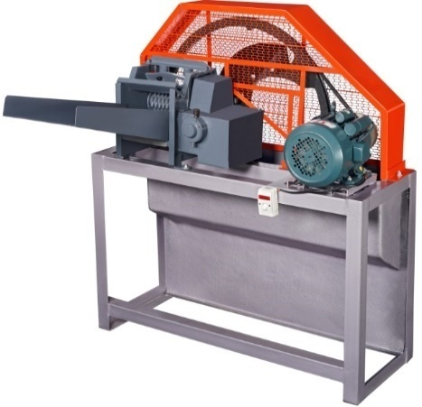 | CHAFFCUTTER FLAT FACE MODEL HORIZONTAL MOTOR OPERATED BRP - CC - 3 HP - 01
DESCRIPTION OF MATERIALS | GOKUL MODEL HORIZONTAL
CURRENT REQUIRED | ELECTRIC MOTOR
MOTOR CAPACITY | 3 HP MOTOR
MOTOR RPM | 1440
CURRENT LINE REQUIRED | SINGLE PHASE
CHAFF CUTTER BODY | IRON & BHEED
WEIGH T OF CHAFF CUTTER WITH MOTOR | 133 KGS
NO. OF BALDES | 3 NOS
BLADE QUALITY | HIGH CARBON STEEL
CHAFF CUTTER FEED MATERIAL | DRY & GREEN FODDER
CUTTING SIZE | 1/2 INCH
OUT PUT OF CHAFF CUTTER | 450 KG PER HOUR
NO. OF GEARS | 3 NOS
GEAR OIL FOR GEAR | 500 ML
CHANGING OF GEAR OIL / GREASE (APPROX ) | 45 DAYS
GREASING TO BE DONE | SMALL CUP ON BEARING
NO. OF BEARING | 2 NOS
NO ROLLERS | 3 NOS

3 HP BOX MODEL
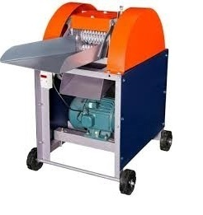 | CHAFFCUTTER SHORT BOX MODEL MOTOR OPERATED BRP - CC - 3 HP - 02
DESCRIPTION OF MATERIALS
CURRENT REQUIRED | ELECTRIC MOTOR
MOTOR CAPACITY | 3 HP MOTOR
MOTOR RPM | 1440
CURRENT LINE REQUIRED | SINGLE PHASE
CHAFF CUTTER BODY | IRON & BHEED
NO. OF BALDES | 2 NOS
BLADE QUALITY | HIGH CARBON STEEL
CHAFF CUTTER FEED MATERIAL | DRY & GREEN FODDER
CUTTING SIZE | 1/2 INCH
OUT PUT OF CHAFF CUTTER | 600 -700 KG PER HOUR
NO. OF GEARS | 4 NOS
GREASE FOR GEAR | 500 GMS
GEAR OIL FOR GEAR | SAE 90/40
CHANGING OF GEAR OIL / GREASE (APPROX ) | 30 DAYS
GREASING TO BE DONE | SMALL CUP ON BEARING
NO. OF BEARING | 6 Nos
NO. OF ROLLERS | 2 NOS

3 HP MINI HEAVY DUTY
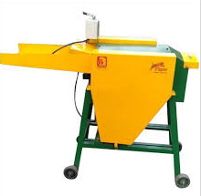 | CHAFFCUTTER MINI HEAVY DUTY MODEL MOTOR OPERATED BRP - CC - 3 HP - 03
DESCRIPTION OF MATERIALS
CHAFF CUTTER TYPE | ELECTRIC MOTOR OPERATED
MOTOR RPM | 1440
CURRENT LINE REQUIRED | SINGLE PHASE
CHAFF CUTTER BODY | MS
MOTOR CAPACITY | 2-3 HP
NO. OF BALDES | 4
BLADE QUALITY | HIGH CARBON STEEL
CHAFF CUTTER FEED MATERIAL | GREEN AND DRY FODDER
CUTTING SIZE | 1/2 - 3/4 Inch
OUT PUT OF CHAFF CUTTER | APPROX 380 - 430 KGS PER HOUR
NO. OF GEARS (SPUR GEAR) | 2
GREASE FOR GEAR | MP GREASE
GEAR OIL FOR GEAR | SAE - 90
GEAR BOX MATERIAL | MS
NUMBER OF FEEDING ROLLERS | 2
MATERIAL OF ROLLER | CAST IRON
TYPE OF MOVEMENT | V - BELT & PULLEY

3 HP HEAVY DUTY FRONT FALL
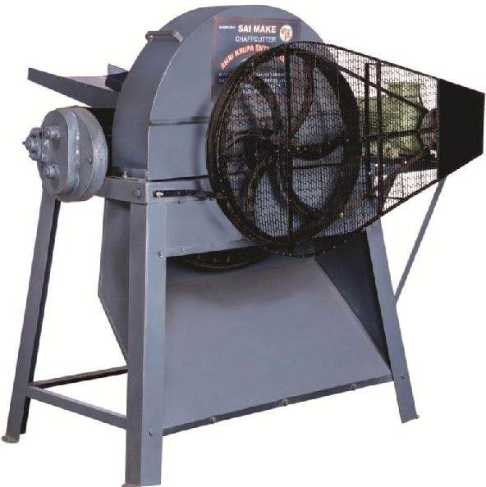 | CHAFFCUTTER HEAVY DUTY FRONT FALL MOTOR OPERATED BRP - CC - 3 HP - 04
DESCRIPTION OF MATERIALS
CURRENT REQUIRED | ELECTRIC MOTOR
MOTOR CAPACITY | 3 HP MOTOR
MOTOR RPM | 1440
CURRENT LINE REQUIRED | SINGLE PHASE
CHAFF CUTTER BODY | IRON & BHEED
NO. OF BALDES | 2 NOS
BLADE QUALITY | HIGH CARBON STEEL
CHAFF CUTTER FEED MATERIAL | DRY & GREEN FODDER
CUTTING SIZE | 1/2 INCH
OUT PUT OF CHAFF CUTTER | 400 KG PER HOUR
NO. OF GEARS | 4 NOS
GREASE FOR GEAR | 500 GMS
GEAR OIL FOR GEAR | SAE 90/40
CHANGING OF GEAR OIL / GREASE (APPROX ) | 30 DAYS
GREASING TO BE DONE | SMALL CUP ON BEARING
NO. OF BEARING | 2 BEARING
NO ROLLERS | 3 NOS

3 HP BLOWER TYPE
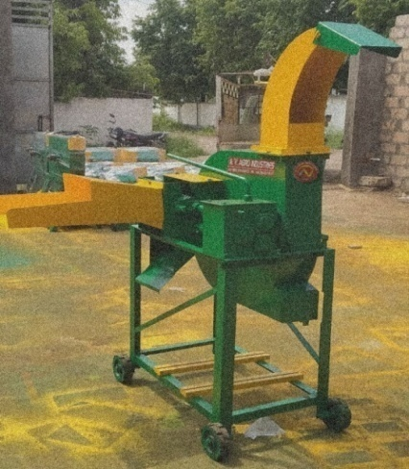 | CHAFFCUTTER LONG BLOWER HEAVY DUTY MOTOR OPERATED BRP - CC - 3 HP - 05
DESCRIPTION OF MATERIALS
CURRENT REQUIRED | ELECTRIC OPERATED
MOTOR CAPACITY | 3 HP
MOTOR RPM | 1440
CURRENT LINE REQUIRED | SINGLE PHASE
CHAFF CUTTER BODY | IRON & MS
NO. OF BALDES | 4 NOS
BLADE QUALITY | HIGH CARBON STEEL
CHAFF CUTTER FEED MATERIAL | DRY & GREEN FODDER
CUTTING SIZE | 1/2 INCH
OUT PUT OF CHAFF CUTTER | 1000 - 1200, 1200 - 1400

3 HP MINI MODEL
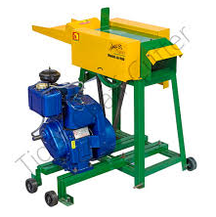 | CHAFFCUTTER MINI HEAVY DUTY ENGINE OPERATED BRP - CC - 3.5 HP - 06
DESCRIPTION OF MATERIALS | MINI HEAVY DUTY
CHAFF CUTTER TYPE | ENGINE OPERATED
ENGINE TYPE | DEISEL ENGINE
ENGINE RPM | 1500
NO. OF BALDES | 4 NOS
BLADE QUALITY | HIGH CARBON STEEL
CHAFF CUTTER FEED MATERIAL | GREEN & DRY FODDER
CUTTING SIZE | 1/2 Inch - 3/4 Inch
OUT PUT OF CHAFF CUTTER | approx 500 kg / hr
NO. OF GEARS (SPUR GEAR) | 2 NOS
GREASE FOR GEAR | MP GREASE
GEAR OIL FOR GEAR | SAE - 90
GEAR BOX MATERIAL | MS
NUMBER OF FEEDING ROLLERS | 2 NOS
MATERIAL OF ROLLER | CAST IRON
TYPE OF MOVEMENT | V BELT & PULLEY

2-IN-1 MODEL MOTOR
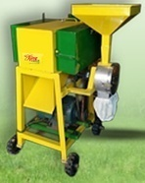 | CHAFFCUTTER MINI HEAVY DUTY WITH MOTOR BRP - CC - 3 HP - 08
PRODUCT DESCRIPTION
CHAFF CUTTER TYPE | ELECTRIC OPERATED
ENGINE TYPE | 3 HP
ENGINE RPM | 1440
NO. OF BALDES | SINGLE PHASE
BLADE QUALITY | HIGH CARBON STEEL
CHAFF CUTTER FEED MATERIAL | GREEN & DRY FODDER
CUTTING SIZE | 1/2 Inch
OUT PUT OF CHAFF CUTTER | 450 - 475 kg per hour
NO. OF GEARS (SPUR GEAR , BEVEL BOX) | 2 NOS
GREASE FOR GEAR | MP GREASE
GEAR OIL FOR GEAR | SAE - 90
GEAR BOX MATERIAL | MS
NUMBER OF FEEDING ROLLERS | 2 NOS
MATERIAL OF ROLLER | CAST IRON
TYPE OF BELT | V - BELT
MAIN SHAFT MATERIAL | MS ROD
WORKING TYPE OF SHAFT | ON 2 BALL BEARING
ATTA CHAKKI ARRANGEMENTS MADE TO CHAFFCUTTER

NO OF BEARINGS | 1 NO
TYPE OF BEARING | CI BUSH
NO. OF GRINDERS | 4 NOS
SAFETY ARRANGEMENTS | COVER PROVIDED

2-IN-1 MODEL ENGINE
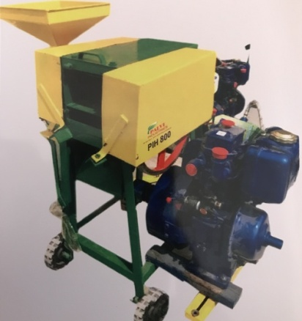 | CHAFFCUTTER MINI HEAVY DUTY WITH ENGINE BRP - CC - 3.5 HP - 07
PRODUCT DESCRIPTION
CHAFF CUTTER TYPE | ENGINE OPERATED
ENGINE TYPE | DIESEL
ENGINE RPM | 1500
NO. OF BALDES | 2
BLADE QUALITY | HIGH CARBON STEEL
CHAFF CUTTER FEED MATERIAL | GREEN & DRY FODDER
CUTTING SIZE | 1/2 Inch
OUT PUT OF CHAFF CUTTER | 450 - 475 kg per hour
NO. OF GEARS (SPUR GEAR , BEVEL BOX) | 2
GREASE FOR GEAR | MP GREASE
GEAR OIL FOR GEAR | SAE - 90
GEAR BOX MATERIAL | MS
NUMBER OF FEEDING ROLLERS | 2
MATERIAL OF ROLLER | CAST IRON
TYPE OF BELT | V - BELT
MAIN SHAFT MATERIAL | MS ROD
WORKING TYPE OF SHAFT | ON 2 BALL BEARING
ATTA CHAKKI ARRANGEMENTS MADE TO CHAFFCUTTER

NO OF BEARINGS | 1
TYPE OF BEARING | CI BUSH
NO. OF GRINDERS | 4
SAFETY ARRANGEMENTS | COVER PROVIDED
OUTPUT OF THE CHAKKI | 600 KGS PER HOUR

3 HP FLAT FACE WITH ENGINE
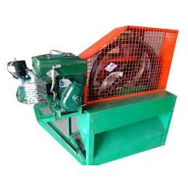 | CHAFFCUTTER FLAT FACE HORIZONTAL ENGINE OPERATED BRP - CC - 3.5 HP - 08
DESCRIPTION OF MATERIALS | ROUND MODEL WITH BLOWER
CURRENT REQUIRED | ENGINE OPERATED
ENGINE CAPACITY | 3.5 HP DEISEL ENGINE
ENGINE RPM | 1500
CHAFF CUTTER BODY | MS & BHEED
NO. OF BALDES | 3 NOS
BLADE QUALITY | HIRGH CARBON STEEL
CHAFF CUTTER FEED MATERIAL | DRY AND GREEN FODDER
CUTTING SIZE | 1/2 INCH
OUT PUT OF CHAFF CUTTER | 600 KG APPROX
NO. OF GEARS | 3 NOS
GREASE FOR GEAR | MP 3
GEAR OIL FOR GEAR | EP 90 / EP 140 (500 ML QNTY)
CHANGING OF GEAR OIL / GREASE (APPROX ) | 45 DAYS
GREASING TO BE DONE | SMALL CUP ON BEARING
NO. OF BEARING | 2 NOS
NO. OF ROLLERS | 3 NOS

